Pooled IFN summary for mutation
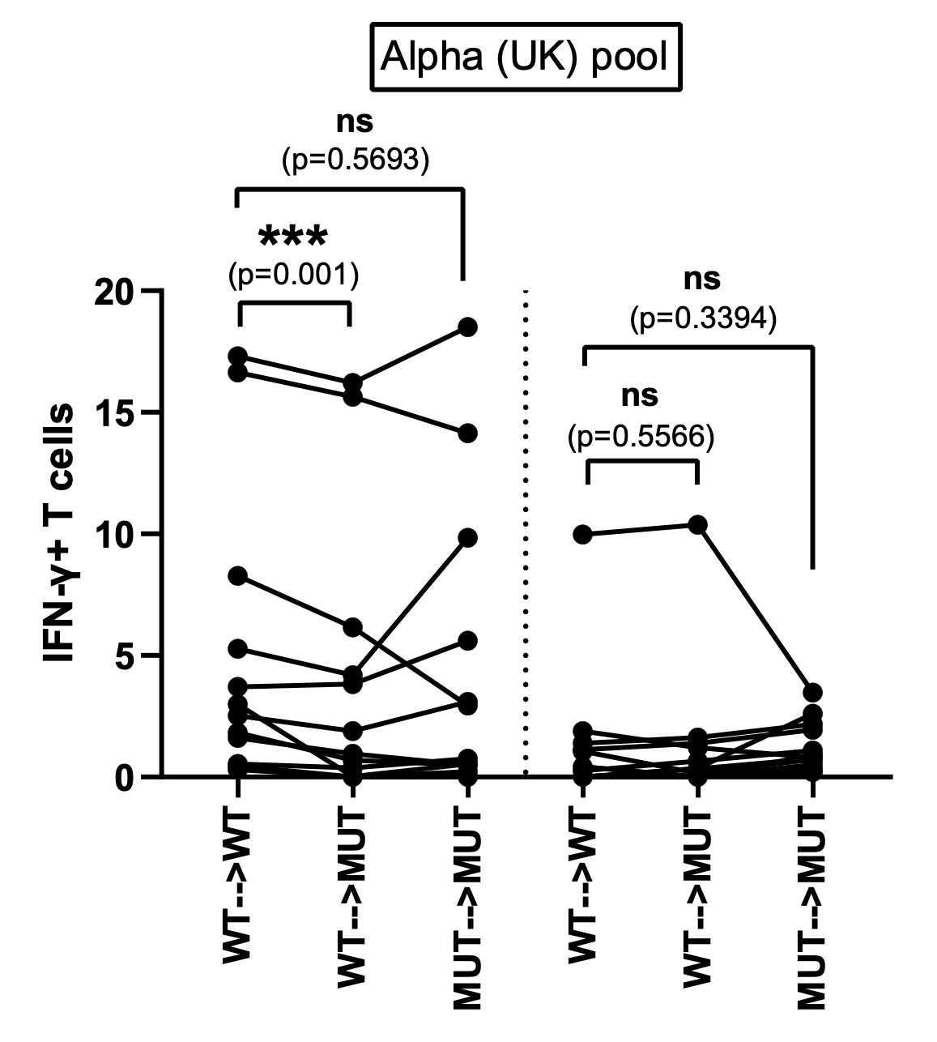
 | Alpha (UK) Pool |  |  |  |  |  |  |  | Mutations included in the Alpha (UK) pool
 | IFNg+ CD4+ T cells |  |  |  | IFNg+ CD8+ T cells
Donors | WT-->WT | WT-->MUT | MUT-->MUT | MUT-->WT | WT-->WT | WT-->MUT | MUT-->MUT | MUT-->WT | Peptide ID | Mutation
8001 | 17.30666667 | 16.20666667 | 18.50666667 | 15.40666667 | 0 | 0 | 0.3 | 0 | 1 | D614G
8009 | 3.7 | 3.82 | 5.6 | 5.5 | 1.12 | 1.39 | 1.94 | 1.31 | 2 | A570D
8052 | 1.615 | 0.965 | 0.485 | 0 | 0.425 | 0 | 0.515 | 0 | 3 | P681H
9001 | 1.821 | 0.691 | 0.491 | 0.811 | 0 | 0 | 0.2 | 0 | 4 | S982A
9003 | 0.535 | 0.375 | 0.765 | 0.735 | 0.265 | 0.655 | 1.095 | 0.195 | 5 | N501Y
9005 | 5.275 | 4.185 | 9.845 | 9.455 | 1.89 | 1.2 | 0.8 | 0.6 | 6 | T716I
9006 | 0.45 | 0 | 0 | 0 | 0.43 | 0 | 0.9 | 0 | 7 | D1118H
9008 | 8.266666667 | 6.156666667 | 2.936666667 | 2.316666667 | 0 | 0.353333333 | 2.603333333 | 0
9012 | 2.986666667 | 0.016666667 | 0.536666667 | 0.116666667 | 1.05 | 0.16 | 0.72 | 0
9017 | 2.526666667 | 1.896666667 | 3.096666667 | 4.106666667 | 1.386666667 | 1.616666667 | 2.176666667 | 2.516666667
9019 | 0.300666667 | 0 | 0.220666667 | 0 | 0 | 0.341666667 | 0.761666667 | 0.391666667
9020 | 16.64 | 15.64 | 14.14 | 11.64 | 9.9775 | 10.3775 | 3.4775 | 2.4575

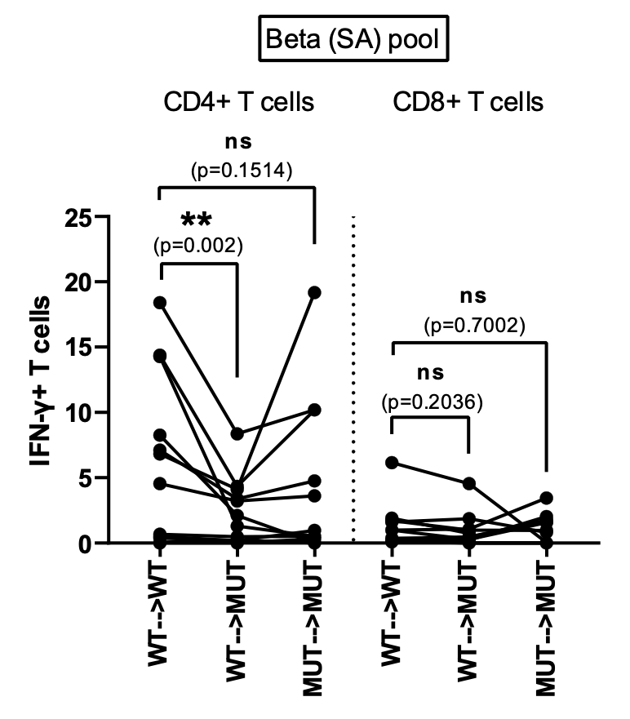
 | Beta (SA) Pool |  |  |  |  |  |  |  | Mutations included in the Beta (SA) pool
 | IFNg+ CD4+ T cells |  |  |  | IFNg+ CD8+ T cells
Donors | WT-->WT | WT-->MUT | MUT-->MUT | MUT-->WT | WT-->WT | WT-->MUT | MUT-->MUT | MUT-->WT | Peptide ID | Mutation
8001 | 18.40666667 | 8.366666667 | 10.20666667 | 11.00666667 | 0.993333333 | 0.283333333 | 1.563333333 | 0 | 8 | K417N
8009 | 4.55 | 3.22 | 3.61 | 2.09 | 0.19 | 0.48 | 1.64 | 0.08 | 9 | E484K
8052 | 0 | 0 | 0.325 | 0.025 | 0.2 | 0 | 0 | 0 | 10 | A701V
9001 | 14.291 | 1.311 | 0.531 | 4.441 | 0.143333333 | 0 | 0 | 0 | 19 | D80A
9003 | 0.395 | 0.205 | 0.965 | 0.805 | 6.165 | 4.555 | 0.055 | 0 | 20 | D215G
9005 | 6.82 | 4.12 | 19.18 | 6.54 | 1.72 | 0.98 | 0.97 | 1.47 | 21 | R246I
9006 | 0.5 | 0.18 | 0 | 0 | 0.21 | 0.24 | 2.03 | 0 | 22 | ∆242-244
9008 | 7.116666667 | 3.376666667 | 4.756666667 | 4.236666667 | 0.373333333 | 0.443333333 | 1.753333333 | 0
9012 | 14.38666667 | 4.336666667 | 10.18666667 | 11.08666667 | 0.98 | 1.08 | 3.44 | 0.51
9017 | 0.666666667 | 0.496666667 | 0.536666667 | 1.336666667 | 1.616666667 | 1.866666667 | 0.816666667 | 0.376666667
9019 | 0.070666667 | 0.180666667 | 0.110666667 | 0 | 0.091666667 | 0.011666667 | 0 | 0
9020 | 8.26 | 2.12 | 0 | 1.1 | 1.8975 | 0.7375 |  | 0
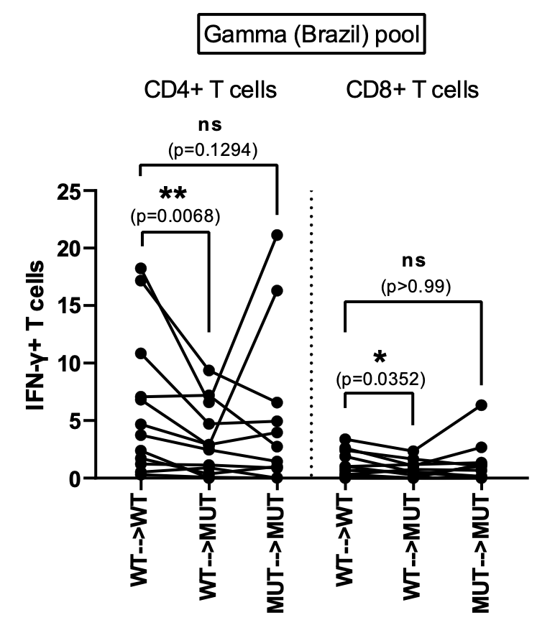
 | Gamma (Brazil) Pool |  |  |  |  |  |  |  | Mutations included in the Gamma (Brazil) pool
 | IFNg+ CD4+ T cells |  |  |  | IFNg+ CD8+ T cells
Donors | WT-->WT | WT-->MUT | MUT-->MUT | MUT-->WT | WT-->WT | WT-->MUT | MUT-->MUT | MUT-->WT | Peptide ID | Mutation
8001 | 6.826666667 | 2.846666667 | 16.30666667 | 12.80666667 | 2.613333333 | 1.073333333 | 2.683333333 | 1.583333333 | 11 | L18F
8009 | 4.67 | 2.9 | 3.97 | 3.76 | 1.01 | 1.17 | 1.35 | 0.98 | 12 | T20N&L18F
8052 | 2.395 | 0 | 0.025 | 0.875 | 0 | 0 | 0 | 0 | 13 | P26S
9001 | 1.721 | 0.371 | 1.001 | 0.381 | 0.32 | 0 | 0 | 0 | 14 | D138Y
9003 | 1.225 | 1.145 | 0.885 | 0.205 | 0.685 | 0.555 | 0.165 | 0 | 15 | R190S
9005 | 18.245 | 6.595 | 21.145 | 15.645 | 1.04 | 0.26 | 1.06 | 1.01 | 16 | K417T
9006 | 0.54 | 0.9 | 0 | 0 | 1.89 | 0.53 | 0 | 0 | 17 | T1027I
9008 | 10.84666667 | 4.726666667 | 4.946666667 | 4.176666667 | 3.393333333 | 2.353333333 | 6.353333333 | 0.923333333 | 18 | H655Y
9012 | 17.18666667 | 9.356666667 | 6.566666667 | 7.496666667 | 0.31 | 0.76 | 0.68 | 0 | 23 | T20N
9017 | 3.746666667 | 2.476666667 | 1.446666667 | 0.986666667 | 2.426666667 | 1.646666667 | 1.036666667 | 0.236666667
9019 | 0.310666667 | 0.070666667 | 0 | 0.012666667 | 0.221666667 | 0 | 0.021666667 | 0.151666667
9020 | 7.07 | 7.2 | 2.73 | 0.06 | 0 | 0 | 1.1975 | 0

